Sheet1
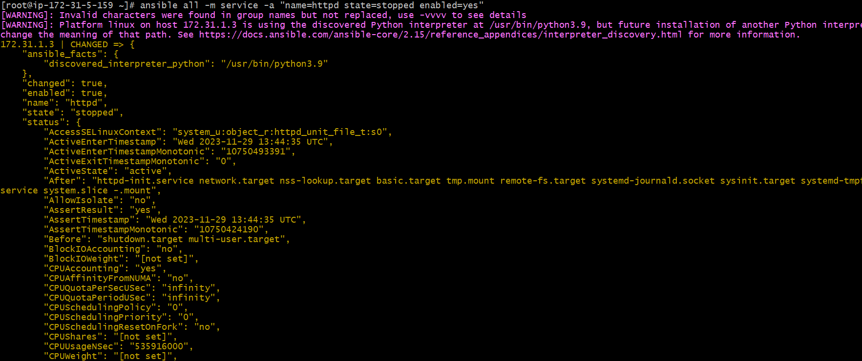
instance creating using terraform

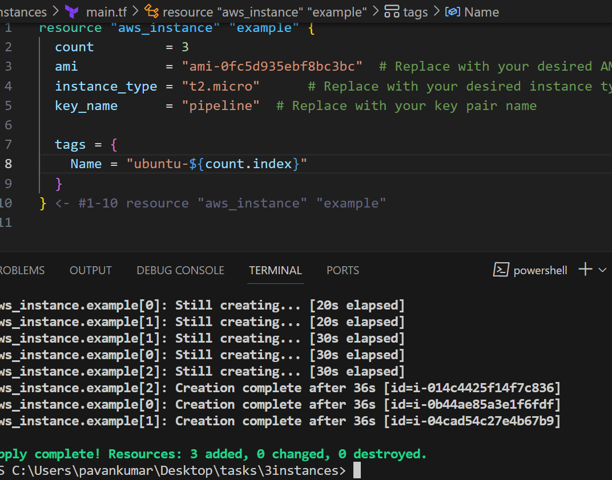

 | create hosts file excuting the all files
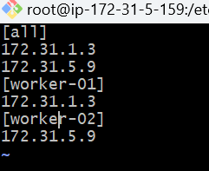

only excusting one master file

 | install httpd server

 |  | statrt httpd server

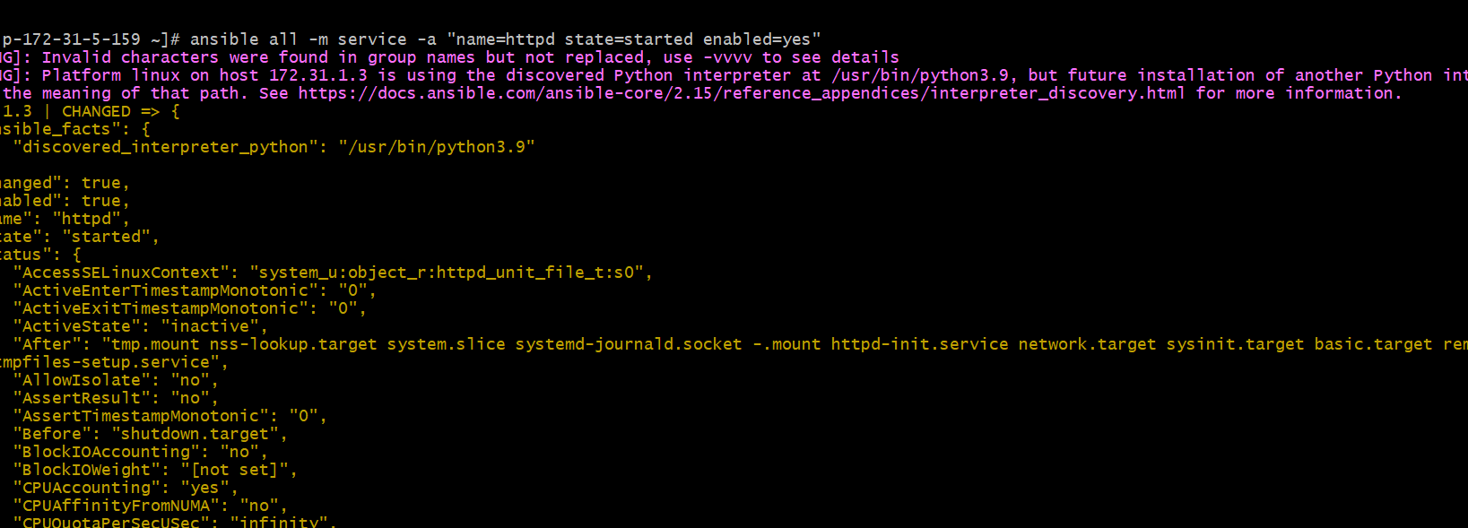

 | open googel page

